1. Title Page
Instacart Basket Project

Project Name: Instacart Basket Project
Date: 8/16/2023
Analyst Name: Tynan Englert

Contents:
Population Flow
Consistency checks
Wrangling steps
Column derivations
Visualizations
Recommendations

2. Population Flow
Title page

Population flow

Exclusion flag
Condition: max_order < 5
Obervations to be removed: 1,358,566
Final total count of order_products_all: 29,266,394

Orders_products_combined
Orders_products_merged
Orders_products_all

Total: 32,404,859
Total: 32,434,489
Total: 30,624,960

1.) The grey boxes in the first row of the population flow represent the original data sets as they were when you downloaded them. In the Total fields you need to add the count of the rows when you imported the data set into Jupyter.
2.) The second row of boxes (coloured) represents the data sets after you manipulated them, e.g., removed missing values and duplicates. In the Total fields you need to add the count of the rows after conducting these operations. This offers a visual oveview of how the data flows throughout the data consistency checks.
3.) The third row, where also the arrows are coloured, represents the merges you performed between the datasets. In the Total fields you need to add the count of the rows in the merged datasets, so that you end up with the final dataset (in the red box). Keep in mind the final dataset should be without exclusions (based on the exclusion flag).

3. Consistency checks
 |  |  |  | Title page
Consistency checks

Dataset | Missing values | Missing values treatment | Duplicates
orders | 206,209 Missing Values in days_since_prior_order column | Added additional column first_order which provides a boolean output based on results of days_since_prior_order column. If days since prior order is null, first_order returns a value of "True" (i.e. it is the first order of that customer). If days_since_prior_order contains a value, first_order returns "False" (i.e. this is not the first order of the customer) | None
products | 16 Affected Rows Missing Product Name | Created New DataFrame Excluding Affected Rows | 5 Duplicates Removed
customers | 11259 missing values for first_name column | removed rows from working dataset
cust_ords_prods | 4781 values over $100 in prices column | removed rows from working dataset | None

Missing values from Product Table
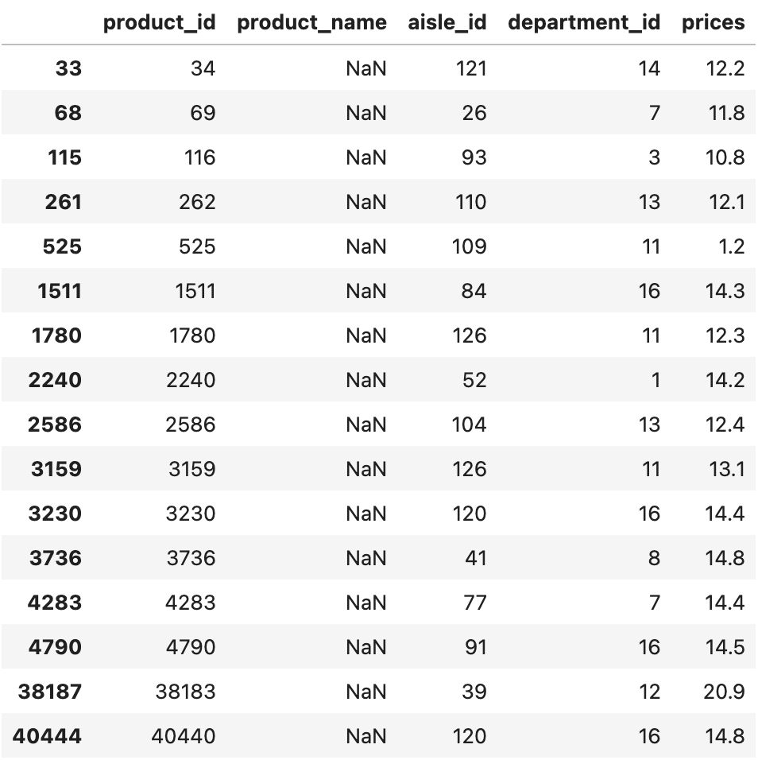

Duplicate values from Product Table

4. Wrangling steps
 |  |  |  | Title page
Wrangling steps

Columns dropped | Columns renamed | Columns' type changed | Comment/Reason
Orders.eval_set |  |  | Not relevant or necessary for current analysis
 | Orders.order_dow |  | Updated to orders_day_of_week for clarity
 |  | order.order_id | Updated to str
 |  | order.user_id | Updated to str
 | customers.First Name |  | first_name
 | customers.Surnam |  | last_name
 | customers.Gender |  | gender
 | customers.STATE |  | state
 | customers.Age |  | age
 | customers.fam_status |  | married_status
 |  | customers.user_id | changed to str to match other df data type for merge
 |  | ords_prods_merge.user_id | updated to str to match the customers df for merge
_merge |  |  | not necessary to keep after merge
Unnamed: 0 |  |  | not necessary to the current analysis
first_name and last_name |  |  | PII compliance

5. Column derivations
In this tab you should add tables below that the frequences of flags/label variables that you produced after deriving them. NB: don't do this for continuous variables, only for flags.
 |  |  |  |  | Title page

Column derivations and aggregations

Dataset | New column | Column/s it was derived from | Conditions | Frequency
ords_prods_merge | price_range | prices | > 15 = 'High Range Product' <= 15 = 'Mid-range Product' <= 5 = 'Low-range Product' | Mid-range product 21860860 Low-range product 10126321 High-range product 417678
ords_prods_merge | busiest_day | order_day_of_week | 0 = 'Busiest Day' 4 = 'Least Busy' Everything Else = 'Regularly Busy' | Regularly busy 22416875 Busiest day 6204182 Least busy 3783802
ords_prods_merge | busiest_days | order_day_of_week | 0 or 1 = 'Busiest Day' 3 or 4 = 'Least Busy' Everything Else = 'Regularly Busy' | Regularly busy 12916111 Busiest day 11864412 Least busy 7624336
ords_prods_merge | busiest_period_of_day | order_hour_of_day | 10, 11, 14, 15, 13, 12, 16, 9 = 'Most Orders' 17, 8, 18, 19, 20, 7, 21, 22 = 'Fewest Orders' Everything Else = 'Average Orders' | Most orders 21118071 Fewest orders 9997651 Average orders 1289137
ords_prods_merge | max_order | user_id and order_number
ords_prods_merge | loyalty_flag | max_order | > 40 = 'Loyal Customer' <= 40 = 'Regular Customer' <= 10 = 'New Customer' | Regular Customer 15876776 Loyal customer 10284093 New customer 6243990
ords_prods_merge | avg_order_price | user_id and prices
ords_prods_merge | spending_flag | avg_order_price | >= 10 = 'High Spender' < 10 = 'Low Spender' | Low Spender 31770614 High Spender 634245
ords_prods_merge | median_days_since_prior_order | user_id and days_since_prior_order
ords_prods_merge | frequency_tag | median_days_since_prior_order | > 20 = 'Non-Frequent Customer' > 10 and <= 20 = 'Regular Customer' <= 10 = 'Frequent Customer' | Frequent Customer 21559853 Regular Customer 7208564 Non-frequent Customer 3636437 NaN 5
df_final_private | region | state | Assigning each state into its respective US Census Region | South 10197336 West 7830688 Midwest 7175716 Northeast 5421220
df_final_private | activity_level | max_order | < 5 = 'Low Activity User' >= 5 = 'Active User' | Active User 29266394 Low Activity User 1358566
df_final_dept | age_group | age | >= 60 = 'Senior' >=35 and < 60 = 'Middle Aged' < 35 = 'Young Adult' | Middle Aged 11493613 Senior 9997411 Young Adult 7775370
df_final_dept | family_status | married_status and n_dependants | n_dependants == 1 and married status = married = Married WITHOUT Dependants n_dependants == 0 and married status = else = Single WITHOUT Dependants n_dependants >= 1 and married status = married = Married WITH Dependants n_dependants > 0 and married status = else = Single WITH Dependants | Married WITH Dependants 13736621 Single WITHOUT Dependants 7311397 Married WITHOUT Dependants 6813425 Single WITH Dependants 1404951
df_final_dept | income_group | income | > 1.281240e+05 = High Income >=6.735800e+04) & <= 1.281240e+05 = Average Income < 6.735800e+04 = Low Income | Average Income 14633266 High Income 7316573 Low Income 7316555
df_final_dept | frozen_consumer | department and user_id | If a consumer has purchased a product from the Frozen department, they are a Frozen Consumer, Else - Non-Frozen Consumer | Frozen Consumer 27300456 Non-Frozen Consumer 1965938

6. Visualizations
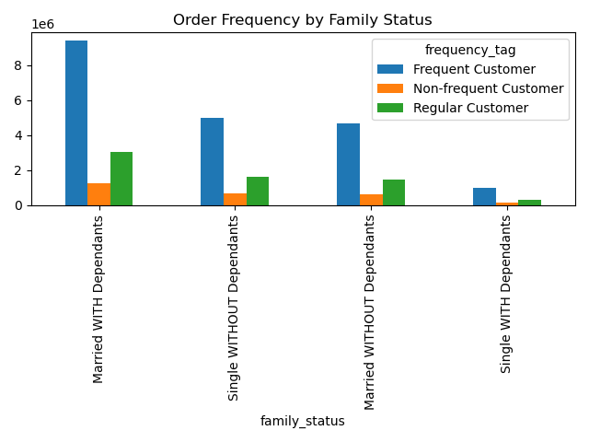
 |  |  |  | Title page

Visualisations

In this tab you should include all the visualtions from Exercises 4.9 and 4.10, alongside the questions from the project brief that they answer. Include any commentary on the relationship between different variables.

Question: The sales team needs to know what the busiest days of the week and hours of the day are (i.e., the days and times with the most orders) in order to schedule ads at times when there are fewer orders

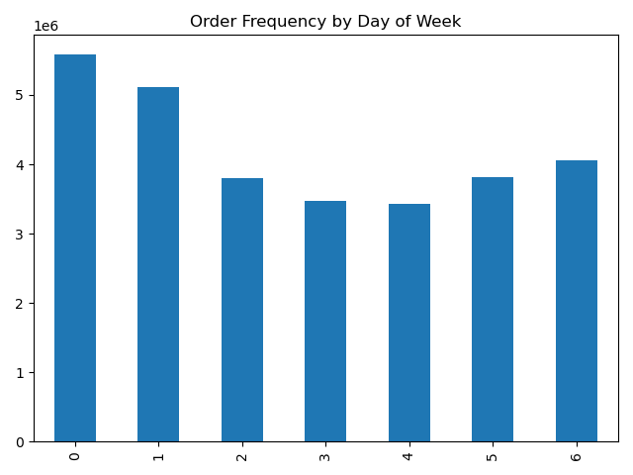
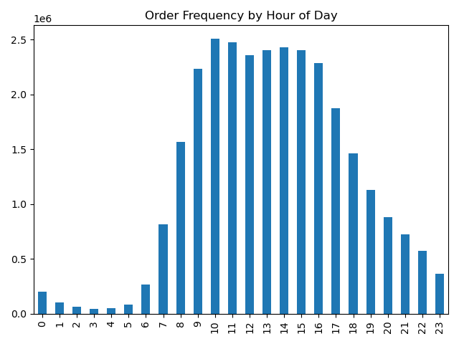

The busiest days of the week are Sunday, Monday and Saturday. Order activity begins picking up after 7am and begins fading after 4pm,reaching the lowest order frequency at 4am.

Question: They also want to know whether there are particular times of the day when people spend the most money, as this might inform the type of products they advertise at these times

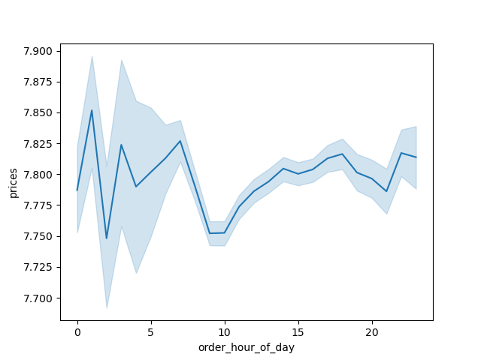

Prices are generally between $7.75 and $7.85 throughout most of the day. They reach the higher end of the range early in the morning (despite lower order frequency), and dip to the bottom of the range at 3am and 9am.

Instacart has a lot of products with different price tags. Marketing and sales want to use simpler price range groupings to help direct their efforts.

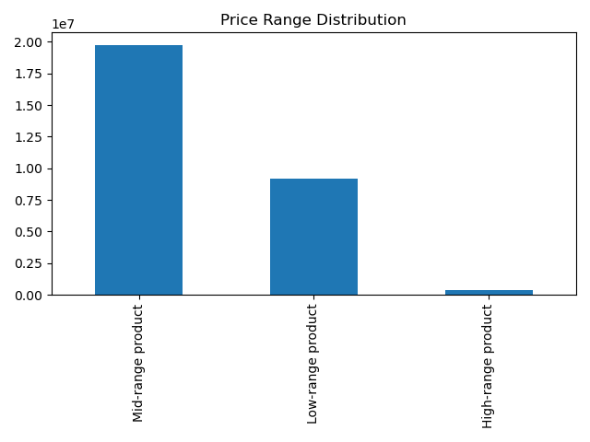

Most products fall in an mid-range price range, and fewer products fall into the low price range. High-range products comprise the smallest proportion of all products.

Are there certain types of products that are more popular than others? The marketing and sales teams want to know which departments have the highest frequency of product orders.

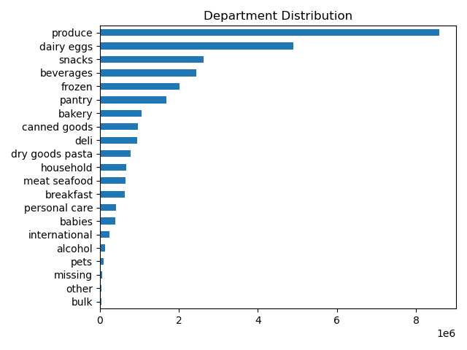

The most popular departments are: produce, dairy/eggs, snacks, beverages, and frozen. The least popular departments are: bulk, pets, alcohol, international, and babies

What’s the distribution among users in regards to their brand loyalty (i.e., how often do they return to Instacart)?
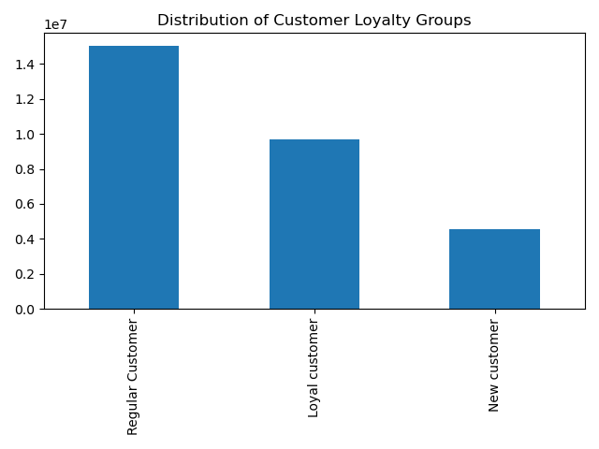

The most frequent loyalty group are regular customers, followed by loyal customers and new customers.

Are there differences in ordering habits based on a customer’s loyalty status?

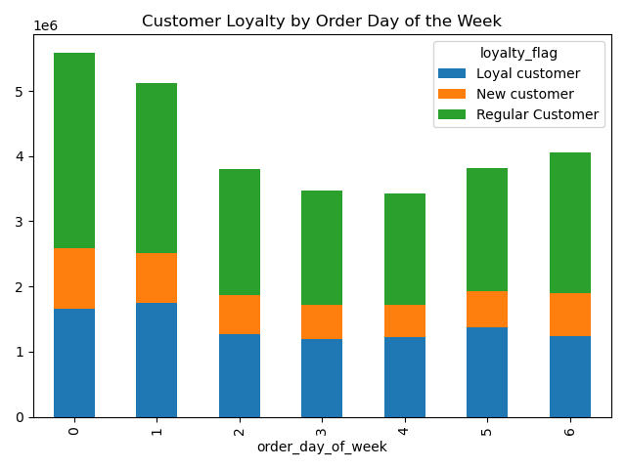
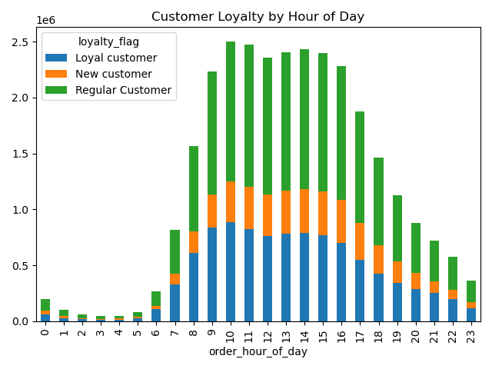

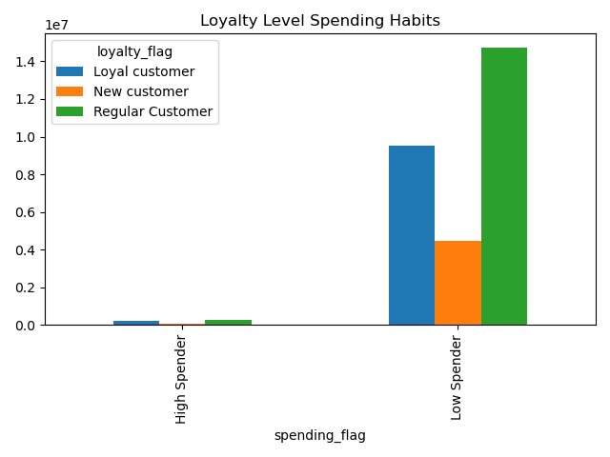

There don't appear to be any significant differences in ordering habits based on a customer's loyalty status. We can see in the first graph that the most popular day for Loyal customers is Monday, rather than Sunday which is favored by New customers and Regular customers. We can also see that New customers don't necessarily favor any day in particular for their orders. Timing of orders throughout the day are consistent with the general frequency that you would expect from the distribution of loyalty types, and it doesn't seem like any loyalty group is more or less likely to by higher or lower spenders.

Are there differences in ordering habits based on a customer’s region?

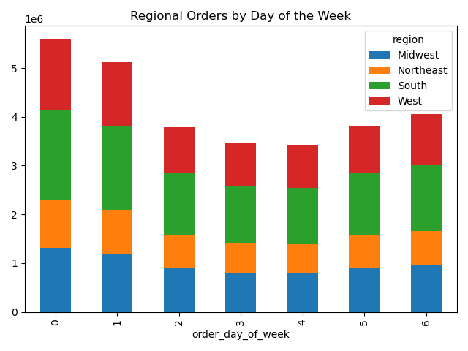
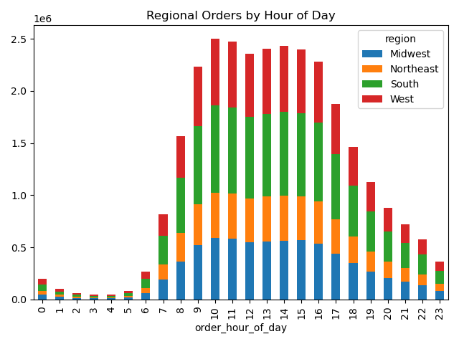
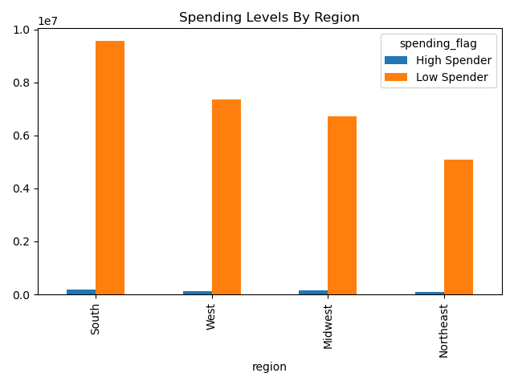

There don't appear to be any siginificant differences among the regions as it relates to consumption. The order frequency throughout the week/day are to be expected from the general distribution of the region, and no region shows a higher than expected proportfion of higher spenders.

Is there a connection between age and family status in terms of ordering habits?

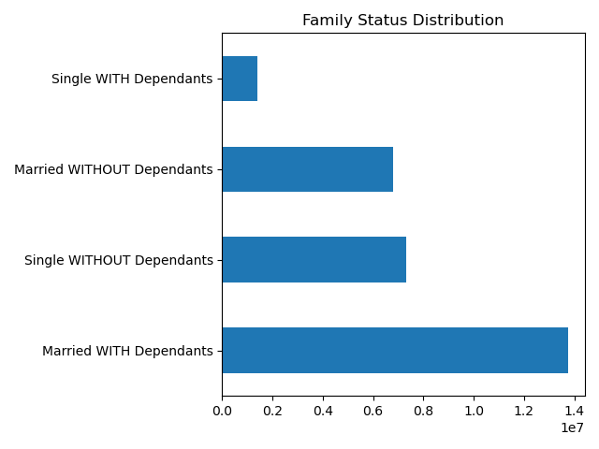
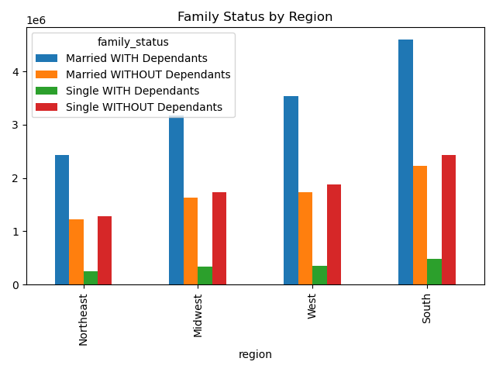

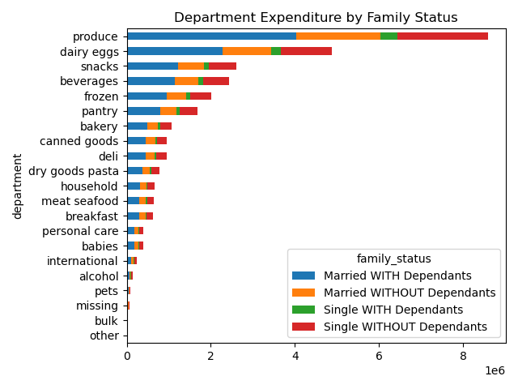
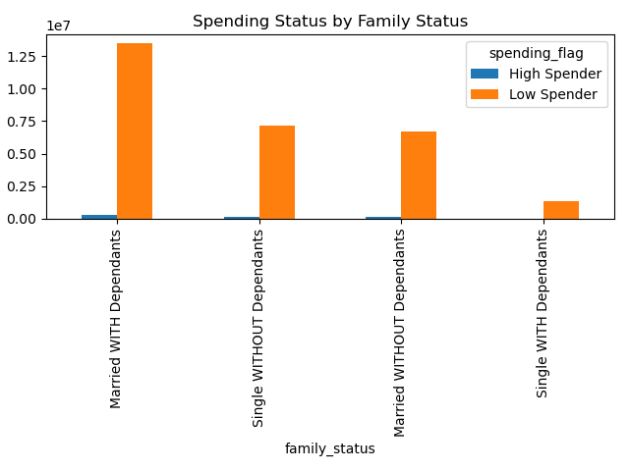

Married people WITH Dependents make up the highest proportion of customers, but none of the charts above imply that their consumption is different from other groups with regards to regionality, product consumption, spending level or order frequency.

What differences can you find in ordering habits of different customer profiles? Consider the price of orders, the frequency of orders, the products customers are ordering, and anything else you can think of.

 | The distribution of age groups is consistent across region and department. Even looking at spending flags and order frequency, we don't see significant differences among the groups.
Age

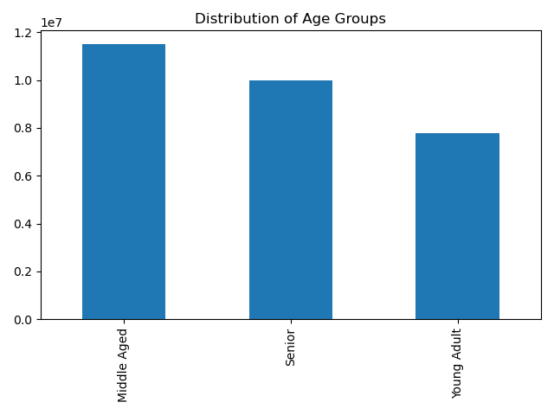
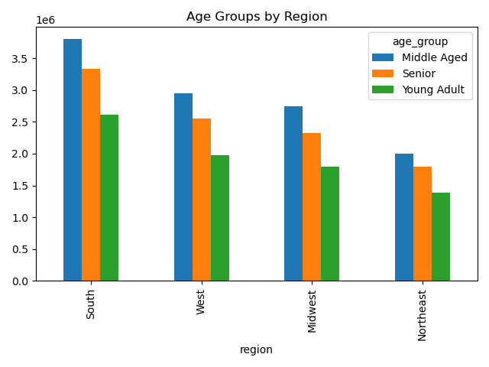
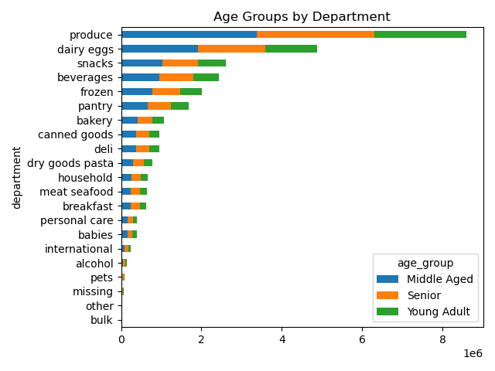
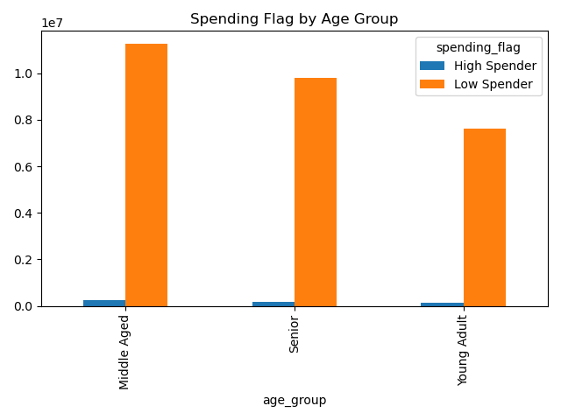
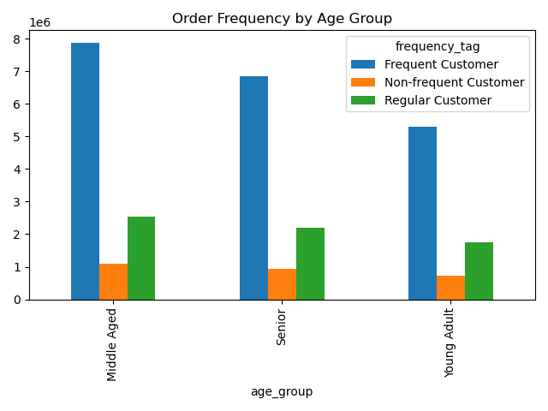

Income | We start to see some small differences in income level by region, with the South and West having a slightly larger proportin of low-income customers than high income customers. Different income groups don't appear to show siginfiicant preference differences as it relates to the departments they shop in, but we do see that high income consumers are more likely to be high spenders. Looking at order frequency, we also see the expected distribution based on the general frequency of each income group (i.e. high income people aren't more likely to be Frequent customers than average income).

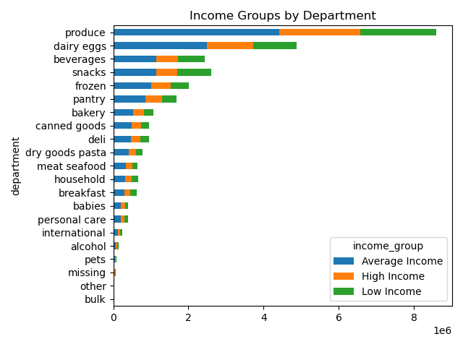
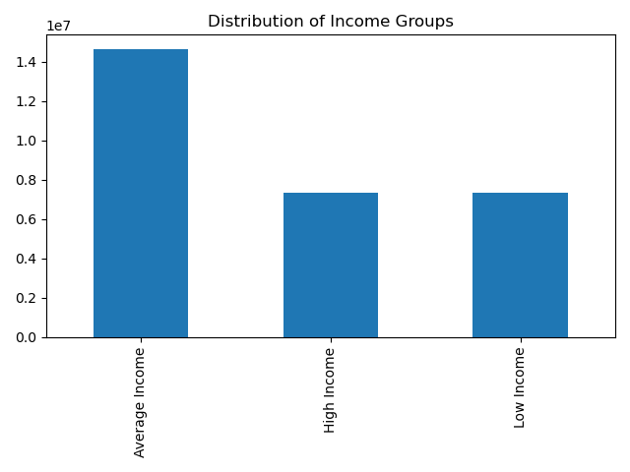
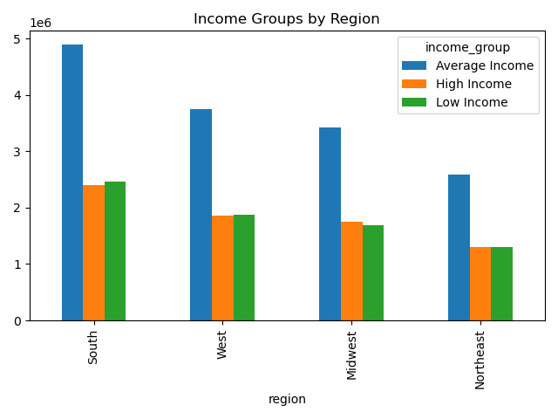
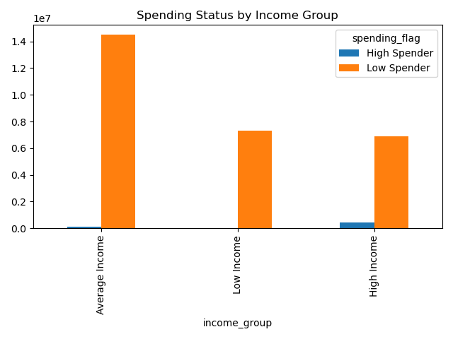
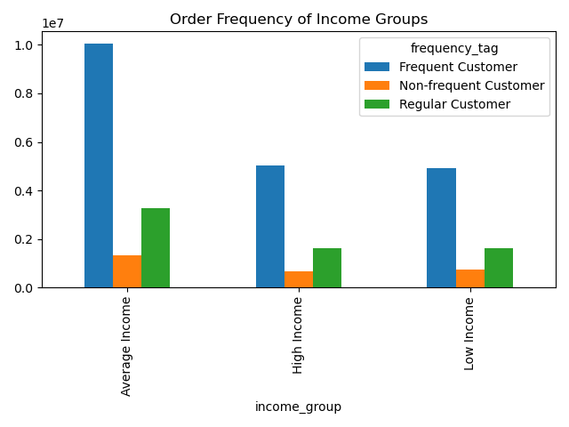

 |  | Looking at customers who purchase and do NOT purchase Frozen goods, we don't see any significant differences in consumption among region. Looking at the departments that each group shop in , we see a disproportionately low level of consumption of Non-Frozen customers in dry goods/pasta, and a disproportionately high level of consumption in the alcohol department.
Deparment Segment

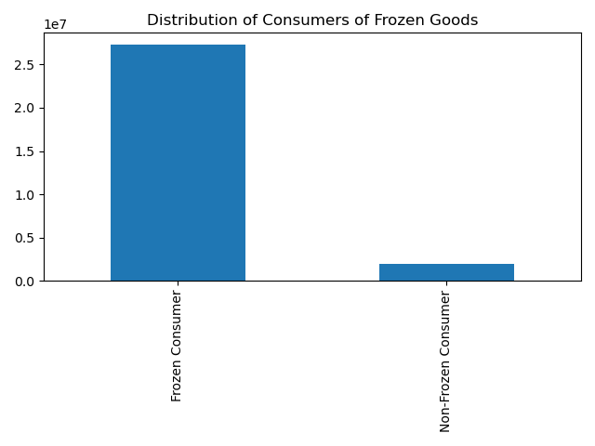
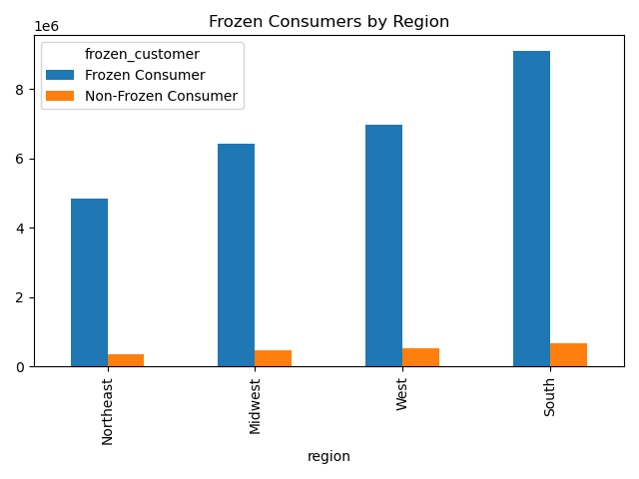
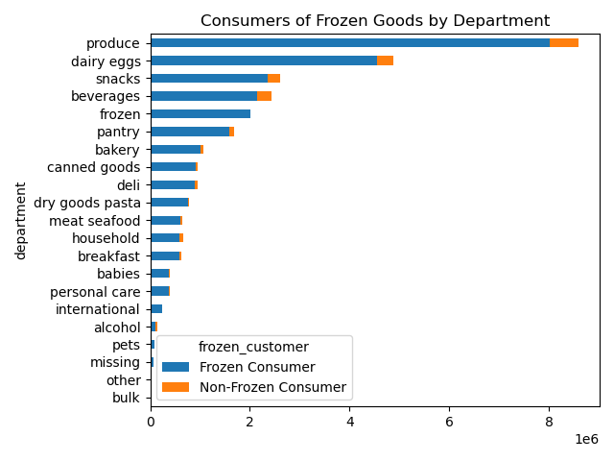

 |  |  | Married people WITH Dependents make up the highest proportion of customers, but none of the charts above imply that their consumption is different from other groups with regards to regionality, product consumption, spending level or order frequency.
Family Status

7. Recommendations
 |  |  | Title page

Recommendations

In this tab you should include any recommendations you would made to Instcart in terms of their marketing strategy based on the questions posed in the brief. Every key question has been covered in the Tasks of the Exercises - here you need to add an item - a visualisation or table/crosstable that is showing the answer in the data, acompanied by a comment from you. Please, list the questions below and add the answer underneath.

 | Question | Answer
1 | The sales team needs to know what the busiest days of the week and hours of the day are (i.e., the days and times with the most orders) in order to schedule ads at times when there are fewer orders | The busiest days of the week are Sunday, Monday and Saturday. Order activity begins picking up after 7am and begins fading after 4pm,reaching the lowest order frequency at 4am.
2 | They also want to know whether there are particular times of the day when people spend the most money, as this might inform the type of products they advertise at these times | Prices are generally between $7.75 and $7.85 throughout most of the day. They reach the higher end of the range early in the morning (despite lower order frequency), and dip to the bottom of the range at 3am and 9am. "
3 | Instacart has a lot of products with different price tags. Marketing and sales want to use simpler price range groupings to help direct their efforts. | Most products fall in an mid-range price range, and fewer products fall into the low price range. High-range products comprise the smallest proportion of all products.
4 | Are there certain types of products that are more popular than others? The marketing and sales teams want to know which departments have the highest frequency of product orders. | The most popular departments are: produce, dairy/eggs, snacks, beverages, and frozen. The least popular departments are: bulk, pets, alcohol, international, and babies
5 | What’s the distribution among users in regards to their brand loyalty (i.e., how often do they return to Instacart)? | The most frequent loyalty group are regular customers, followed by loyal customers and new customers.
6 | Are there differences in ordering habits based on a customer’s loyalty status? | There don't appear to be any significant differences in ordering habits based on a customer's loyalty status. We can see in the first graph that the most popular day for Loyal customers is Monday, rather than Sunday which is favored by New customers and Regular customers. We can also see that New customers don't necessarily favor any day in particular for their orders. Timing of orders throughout the day are consistent with the general frequency that you would expect from the distribution of loyalty types, and it doesn't seem like any loyalty group is more or less likely to by higher or lower spenders.
7 | Are there differences in ordering habits based on a customer’s region? | There don't appear to be any siginificant differences among the regions as it relates to consumption. The order frequency throughout the week/day are to be expected from the general distribution of the region, and no region shows a higher than expected proportfion of higher spenders.
8 | Is there a connection between age and family status in terms of ordering habits? | Married people WITH Dependents make up the highest proportion of customers, but none of the charts above imply that their consumption is different from other groups with regards to regionality, product consumption, spending level or order frequency.
9 | What different classifications does the demographic information suggest? Age? Income? Certain types of goods? Family status? | In general, the consumption habits of different classifications fall in line with the general frequency with which those groups occur. In other words, consumption figures (spending flag and frequency tag) tend to be proportional among the different profiles. There is little to suggest that the classifications we have looked at, with the metrics we have chosen, consume significantly differently than one another. That is not to say that there are larger frequencies of certain classifications, but rather the different classifications do not appear to have significantly different consumption patterns than one another.
10 | What differences can you find in ordering habits of different customer profiles? Consider the price of orders, the frequency of orders, the products customers are ordering, and anything else you can think of. | The distribution of age groups is consistent across region and department. Even looking at spending flags and order frequency, we don't see significant differences among the groups.
 |  | We start to see some small differences in income level by region, with the South and West having a slightly larger proportin of low-income customers than high income customers. Different income groups don't appear to show siginfiicant preference differences as it relates to the departments they shop in, but we do see that high income consumers are more likely to be high spenders. Looking at order frequency, we also see the expected distribution based on the general frequency of each income group (i.e. high income people aren't more likely to be Frequent customers than average income).

 |  | Looking at customers who purchase and do NOT purchase Frozen goods, we don't see any significant differences in consumption among region. Looking at the departments that each group shop in , we see a disproportionately low level of consumption of Non-Frozen customers in dry goods/pasta, and a disproportionately high level of consumption in the alcohol department.

 |  | Married people WITH Dependents make up the highest proportion of customers, but none of the charts above imply that their consumption is different from other groups with regards to regionality, product consumption, spending level or order frequency.

